Fuel Properties
Fuel Density (kg/m^3) | 785.594
M1 Co-efficient (kg/m^3/C) | 0.8104

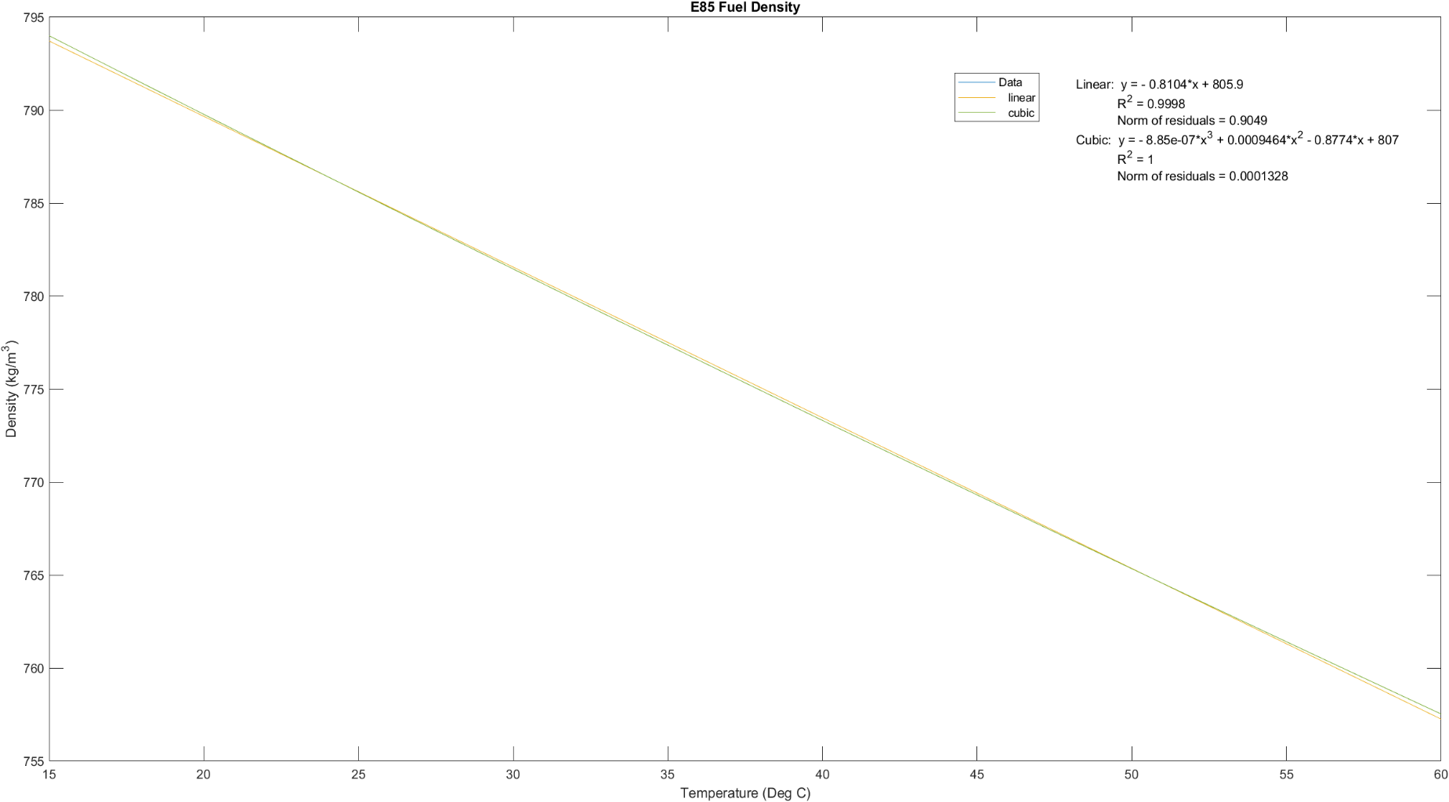
Calculator
Temperature | 20
Fuel Density | 789.646

Stoichiometric ratio for the e85 as 9.386.
Molar mass of the e85 as 50.410
The estimated Volumetric Coefficient of Thermal Expansion (1/K) as 0.00107
M1 Coeff[TE] as 0.8104 kg/m^3 / deg C
Density at 25 deg C as 785.594 kg/m^3

FC R10
...
Lap Times
 | Car 4 | Car 20 | Car 55 | Car 6 | Car 96 | Car 8
Lap 19 | 0:01:26 | 0:01:24 | 0:01:24 | 0:01:25 | 0:01:24 | 0:01:24
Lap 20 | 0:01:25 | 0:01:24 | 0:01:24 | 0:01:25 | 0:01:24 | 0:01:24
Lap 21 | 0:01:25 | 0:01:24 | 0:01:25 | 0:01:25 | 0:01:24 | 0:01:25
Lap 22 | 0:01:25 |  | 0:01:25 | 0:01:25 | 0:01:24 | 0:01:24
Lap 23 |  |  | 0:01:25 | 0:01:25 | 0:01:24 | 0:01:25
Lap 25 |  |  | 0:01:24 | 0:01:23 |  | 0:01:25
Lap 26 |  |  | 0:01:24 | 0:01:24
Lap 27 |  |  | 0:01:25 | 0:01:24
Lap 28 |  |  | 0:01:25 | 0:01:24
...
 | GM | Ford | Toyota
...
Lap 1 | #REF! | #REF! | #REF!
Lap 2 | #REF! | #REF! | #REF!
...
 | Lap 3 | #REF! | #REF! | #REF!
 | Lap 4 | #REF! | #REF! | #REF!
 | Lap 5 | #REF! | #REF! | #REF!
 | Lap 6 | #REF! | #REF! | #REF!
 | Lap 7 | #REF! | #REF! | #REF!
 | Lap 8 | #REF! | #REF! | #REF!
 | Lap 9 | #REF! | #REF! | #REF!
...
Fuel Consumption
 | Car 4 | Car 20 | Car 55 | Car 6 | Car 96 | Car 8 | Toy Av | Ford Av | GM Av
Lap 19 | 0.848 | 0.848 | 0.848 | 0.848 | 0.848 | 0.848 | 0.0000 | 0.0000 | 0.0000
Lap 20 | 0.848 | 0.848 | 0.848 | 0.848 | 0.848 | 0.848 | 0.0000 | 0.0000 | 0.0000
Lap 21 | 0.848 | 0.848 | 0.848 | 0.848 | 0.848 | 0.848
Lap 22 | 0.848 |  | 0.848 | 0.848 | 0.848 | 0.848
Lap 23 |  |  | 0.848 | 0.848 | 0.848 | 1.007
Lap 25 |  |  | 0.848 | 0.848 |  | 1.007
Lap 26 |  |  | 0.848 | 0.848 |  |  | 0.0000 | 0.0000 | 0.0000
Lap 27 |  |  | 0.848 | 0.848 |  |  | 0.0000 | 0.0000 | 0.0000
Lap 28 |  |  | 0.848 | 0.848 |  |  | 0.0000 | 0.0000 | 0.0000
 |  |  |  |  |  |  | 0.0000 | 0.0000 | 0.0000
 |  |  |  |  |  |  | 0.0000 | 0.0000 | 0.0000
 |  |  |  |  |  |  | 0.0000 | 0.0000 | 0.0000
 |  |  |  |  |  |  | 0.0000 | 0.0000 | 0.0000
...

FC R11
...
Lap Times
 | Car 4 | Car 20 | Car 55 | Car 6 | Car 96 | Car 8
Lap 20 | 0:01:26 | 0:01:24 | 0:01:24 | 0:01:24 | 0:01:24 | 0:01:26
Lap 21 | 0:01:24 | 0:01:25 | 0:01:23 | 0:01:24 | 0:01:25 | 0:01:25
Lap 22 | 0:01:26 | 0:01:25 | 0:01:23 | 0:01:25 | 0:01:24 | 0:01:25
Lap 23 | 0:01:24 |  | 0:01:23 | 0:01:25 | 0:01:25 | 0:01:25
Lap 24 |  |  | 0:01:23 | 0:01:24 | 0:01:25 | 0:01:25
Lap 25 |  |  | 0:01:23 | 0:01:24 |  | 0:01:24
Lap 26 |  |  | 0:01:23 | 0:01:24
Lap 27 |  |  | 0:01:24 | 0:01:24
Lap 28 |  |  | 0:01:24 | 0:01:25
...
 | GM | Ford | Toyota
...
Lap 1 | #REF! | #REF! | #REF!
Lap 2 | #REF! | #REF! | #REF!
...
 | Lap 3 | #REF! | #REF! | #REF!
 | Lap 4 | #REF! | #REF! | #REF!
 | Lap 5 | #REF! | #REF! | #REF!
 | Lap 6 | #REF! | #REF! | #REF!
 | Lap 7 | #REF! | #REF! | #REF!
 | Lap 8 | #REF! | #REF! | #REF!
 | Lap 9 | #REF! | #REF! | #REF!
...
Fuel Consumption
 | Car 4 | Car 20 | Car 55 | Car 6 | Car 96 | Car 8 | Toy Av | Ford Av | GM Av
Lap 20 | 0.965 | 0.965 | 0.965 | 0.965 | 0.965 | 0.965 | 0.0000 | 0.0000 | 0.0000
Lap 21 | 0.965 | 0.965 | 0.965 | 0.965 | 0.965 | 0.965 | 0.0000 | 0.0000 | 0.0000
Lap 22 | 0.965 | 0.965 | 0.965 | 0.965 | 0.965 | 0.965
Lap 23 | 0.965 |  | 0.965 | 0.965 | 0.965 | 0.965
Lap 24 |  |  | 0.965 | 0.965 | 0.965 | 1
Lap 25 |  |  | 0.965 | 0.965 |  | 1
Lap 26 |  |  | 0.965 | 0.965 |  |  | 0.0000 | 0.0000 | 0.0000
Lap 27 |  |  | 0.965 | 0.965 |  |  | 0.0000 | 0.0000 | 0.0000
Lap 28 |  |  | 0.965 | 0.965 |  |  | 0.0000 | 0.0000 | 0.0000
 |  |  |  |  |  |  | 0.0000 | 0.0000 | 0.0000
 |  |  |  |  |  |  | 0.0000 | 0.0000 | 0.0000
 |  |  |  |  |  |  | 0.0000 | 0.0000 | 0.0000
 |  |  |  |  |  |  | 0.0000 | 0.0000 | 0.0000
...

FC R12
...
Lap Times
 | Car 4 | Car 20 | Car 55 | Car 6 | Car 96 | Car 8
 |  |  |  |  |  | 0:01:26
 |  |  |  |  |  | 0:01:24
 |  |  |  |  |  | 0:01:24
...
 | GM | Ford | Toyota
...
Lap 1 | #REF! | #REF! | #REF!
Lap 2 | #REF! | #REF! | #REF!
...
 | Lap 3 | #REF! | #REF! | #REF!
 | Lap 4 | #REF! | #REF! | #REF!
 | Lap 5 | #REF! | #REF! | #REF!
 | Lap 6 | #REF! | #REF! | #REF!
 | Lap 7 | #REF! | #REF! | #REF!
 | Lap 8 | #REF! | #REF! | #REF!
 | Lap 9 | #REF! | #REF! | #REF!
...
Fuel Consumption
 | Car 4 | Car 20 | Car 55 | Car 6 | Car 96 | Car 8 | Toy Av | Ford Av | GM Av
 |  |  |  |  |  |  | 0.0000 | 0.0000 | 0.0000
 |  |  |  |  |  |  | 0.0000 | 0.0000 | 0.0000
 |  |  |  |  |  | 0.966
 |  |  |  |  |  | 0.966
 |  |  |  |  |  | 0.966
 |  |  |  |  |  |  | 0.0000 | 0.0000 | 0.0000
 |  |  |  |  |  |  | 0.0000 | 0.0000 | 0.0000
 |  |  |  |  |  |  | 0.0000 | 0.0000 | 0.0000
 |  |  |  |  |  |  | 0.0000 | 0.0000 | 0.0000
 |  |  |  |  |  |  | 0.0000 | 0.0000 | 0.0000
 |  |  |  |  |  |  | 0.0000 | 0.0000 | 0.0000
 |  |  |  |  |  |  | 0.0000 | 0.0000 | 0.0000
...

